DASHBOARD


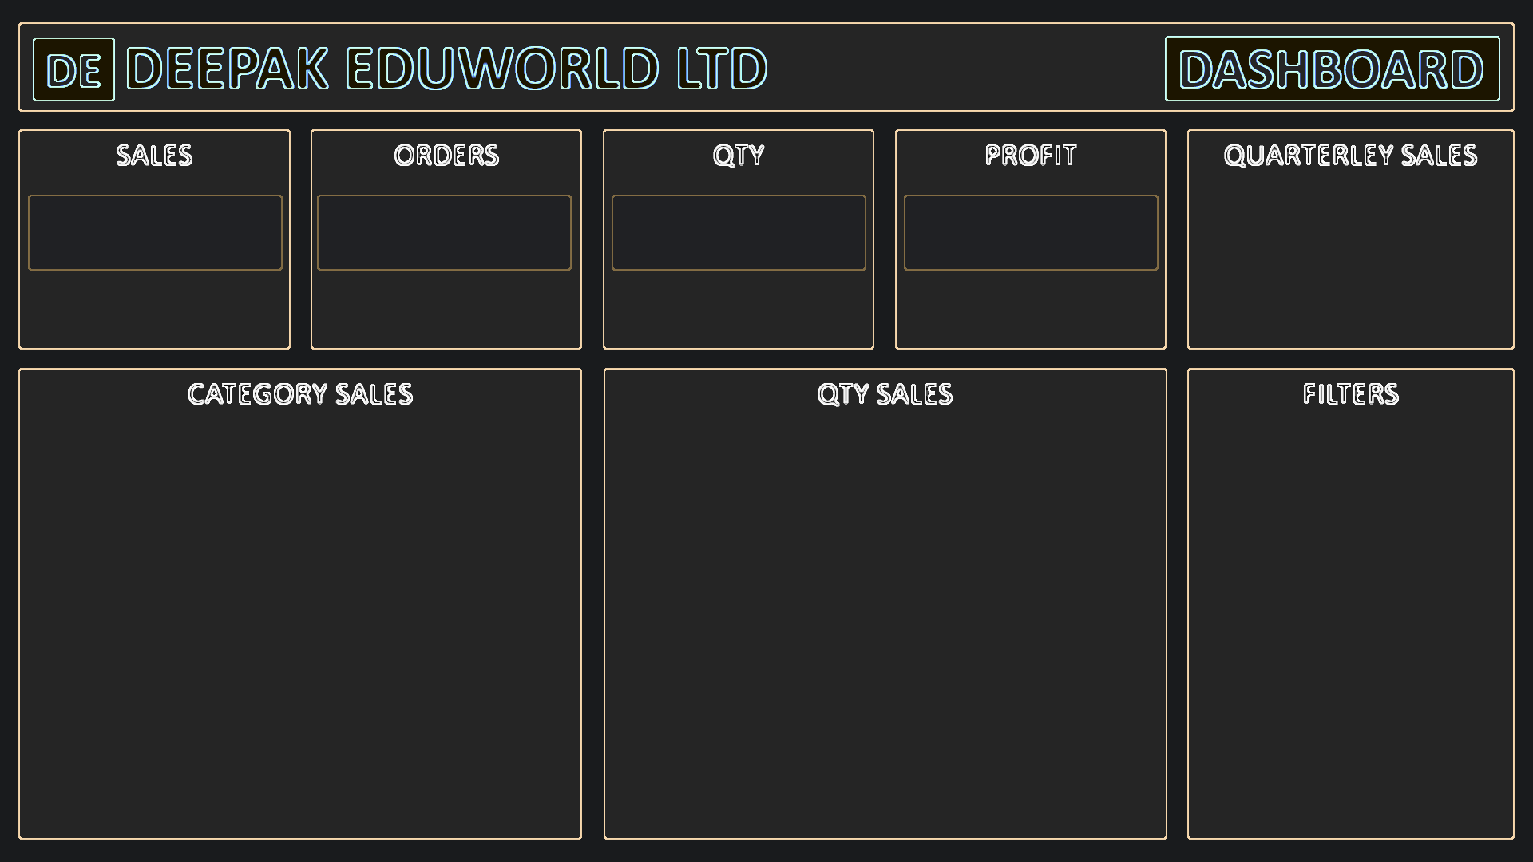

484
 | Total
Qtr1 | 255970
Qtr2 | 206840
Qtr3 | 321750
Qtr4 | 276530
₹ 10,61,090
123
₹ 1,06,109

ABOUT







